Landscape plan with numbers
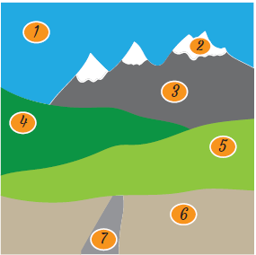
 |  |  | You can make this soap ~ number 1
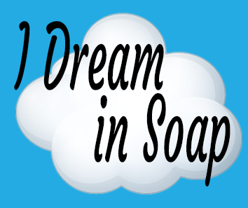 |  |  |  | Landscape Soap

1) | Please note your loaf mold needs to be at least as tall as it is wide for these measurements to work. If your mold is taller than it is wide, that's ok, you will get a soap that is a square based on your molds width.
 | e.g. | If your mold is 7cm wide by 8cm high, your soap will be 7cm wide by 7cm high
 |  | If your mold is 9 cm wide by 8cm high, this will not work as the height needs to be at least the same as the width

2) | Fill in ALL orange boxes if using cm/grams or blue boxes if using inches/ozs:
 |  |  |  |  | G/CM |  |  | OZ/INCH
 | Enter total oils (not total soap weight) you normally use for your mold here.
 | How much fragrance oil (FO) do you use PPO. Just enter number e.g. 5% would be 5
 | How wide is your mold in cms/inches?
 | How tall is the normal bar of soap your recipe produces in this mold cms/inches?

3) | Total oils - put these into your lye calculator

4) | Now make up your lye solution and let it cool

5) | What is the weight of your cooled lye solution? Make sure you actually weigh it, don't use the figures from your lye calculator

 |  |  |  |  | Grams |  |  | Ounces
 | Layers |  |  |  | Oils | Lye solution | FO | Oils | Lye solution | FO
 | 1 | Sky
 | 2 | Snow
 | 3 | Mountains
 | 4 | Dark green grass
 | 5 | Light green grass
 | 6 | Brown foreground
 | 7 | Path
 | To allow for errors |  |  |  | 10.00 |  | 0.00 | 0.50 |  | 0.00
 | Total |  |  |  | 10.00 | 0.00 | 0.00 | 0.50 | 0.00 | 0.00

